Sheet1
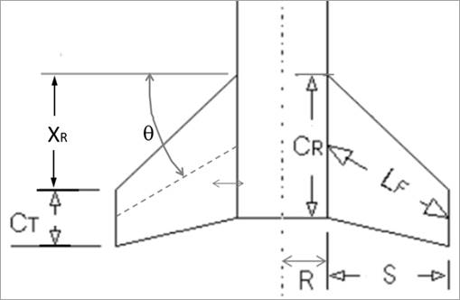
Key | Calculation of Max Drag |  |  | Normal Forces |  |  | Center of Pressure Locations |  |  | Lateral Acting Inertia Loads |  |  | Shear Loading |  | Bending Loading
Blue font is for defined/constraining values | Air Density | 0.0022 | slug/ft^3 |  |  |  | measured from tip of nosecone |  |  | Now using the nosecone Cp as origin |  |  | Using relative coordinates of Cp_N as x=0 |  | Still in relative coordinates
Green font is for calculated values | Burn Out V | 1106 | ft/s | Max Dynamic Pressure (q) | 1345.5596 |  | Fins: |  |  | Cg (from tip of nosecone) | 60.37 | in | Location (Cp_N as origin) | Shear Force | Location (Cp_N as origin) | Bending Load
 | Cd | 0.67 |  | Reference Area | 0.087263888889 |  | Dist from tip of nosecone to start of fins (x_b) | 76 | in | Cp_N to Cg (x1) | 56.37 | in | 0 | 41.0965672 | 0 | 0
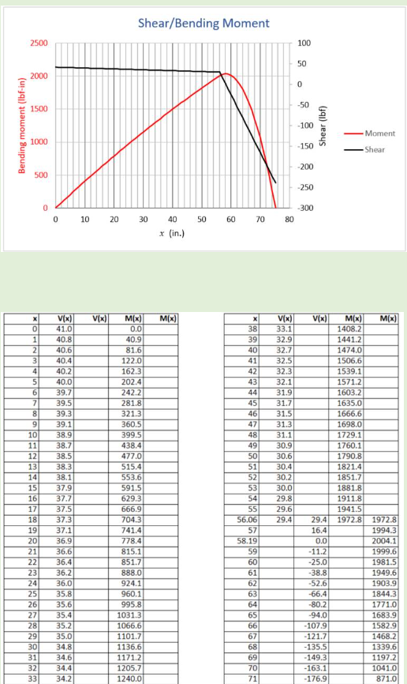
 | Diameter (d) | 4 | in | AOA | 0.175 | rad | Cp location (x_F) | 78.954545455 | in | Cg to Cp_F (x2) | 18.584545455 | in | 1 | 40.857668285 | 1 | 40.977117743
 | Frontal Area | 0.087263888889 | ft^2 |  |  |  |  |  |  | Not super sure about the above geometry values |  |  | 2 | 40.618769371 | 2 | 81.715336571
 | Force (Fd) | 78.670571497 | lbf | Fins: |  |  | Nosecone: (Von Karman shape) |  | Note that Von Karman and Tangent Ogive shapes are very similar |  |  |  | 3 | 40.379870457 | 3 | 122.21465648
 |  |  |  | Number of Fins (N) | 4 |  | Nosecone Length (L) | 8 | in | W_2 | 14.190189206 | lbf/in | 4 | 40.140971542 | 4 | 162.47507748
 |  |  |  | Diameter (d) | 4 | in | Cp location (x_N) | 4 | in | W_1 | 0.23889891433 | lbf/in | 5 | 39.902072628 | 5 | 202.49659957
 |  |  |  | R | 2 | in |  |  |  |  |  |  | 6 | 39.663173714 | 6 | 242.27922274
 |  |  |  | S | 4.5 | in |  |  |  |  |  |  | 7 | 39.424274799 | 7 | 281.822947
 |  |  |  | X_R | 3.5 | in |  |  |  |  |  |  | 8 | 39.185375885 | 8 | 321.12777234
 |  |  |  | C_T | 3 | in |  |  |  |  |  |  | 9 | 38.946476971 | 9 | 360.19369877
 |  |  |  | C_R | 8 | in |  |  |  |  |  |  | 10 | 38.707578056 | 10 | 399.02072628
 |  |  |  | Theta | 12.528807709 | deg |  |  |  |  |  |  | 11 | 38.468679142 | 11 | 437.60885488
 |  |  |  | L_F | 4.6097722286 | in |  |  |  |  |  |  | 12 | 38.229780228 | 12 | 475.95808457
 |  |  |  | C_N_alpha | 11.489445324 | rad^-1 |  |  |  |  |  |  | 13 | 37.990881313 | 13 | 514.06841534
 |  |  |  |  |  |  |  |  |  |  |  |  | 14 | 37.751982399 | 14 | 551.93984719
 |  |  |  | F_N for fins | 236.08838091 | lbf |  |  |  |  |  |  | 15 | 37.513083485 | 15 | 589.57238013
 |  |  |  |  |  |  |  |  |  |  |  |  | 16 | 37.27418457 | 16 | 626.96601416
 |  |  |  |  |  |  |  |  |  |  |  |  | 17 | 37.035285656 | 17 | 664.12074927
 | Shear | Bending
 | 41.0965672 | 0
 | 40.857668285 | 40.977117743
 | 40.618769371 | 81.715336571
 | 40.379870457 | 122.21465648
 | 40.140971542 | 162.47507748
 | 39.902072628 | 202.49659957
 | 39.663173714 | 242.27922274
 | 39.424274799 | 281.822947
 | 39.185375885 | 321.12777234
 | 38.946476971 | 360.19369877
 | 38.707578056 | 399.02072628
 | 38.468679142 | 437.60885488
 | 38.229780228 | 475.95808457
 | 37.990881313 | 514.06841534
 | 37.751982399 | 551.93984719
 | 37.513083485 | 589.57238013
 | 37.27418457 | 626.96601416
 | 37.035285656 | 664.12074927
 | 36.796386742 | 701.03658547
 | 36.557487827 | 737.71352276
 | 36.318588913 | 774.15156113
 | 36.079689999 | 810.35070058
 | 35.840791084 | 846.31094113
 | 35.60189217 | 882.03228275
 | 35.362993256 | 917.51472547
 | 35.124094342 | 952.75826927
 | 34.885195427 | 987.76291415
 | 34.646296513 | 1022.5286601
 | 34.407397599 | 1057.0555072
 | 34.168498684 | 1091.3434553
 | 33.92959977 | 1125.3925045
 | 33.690700856 | 1159.2026549
 | 33.451801941 | 1192.7739063
 | 33.212903027 | 1226.1062587
 | 32.974004113 | 1259.1997123
 | 32.735105198 | 1292.054267
 | 32.496206284 | 1324.6699227
 | 32.25730737 | 1357.0466795
 | 32.018408455 | 1389.1845374
 | 31.779509541 | 1421.0834964
 | 31.540610627 | 1452.7435565
 | 31.301711712 | 1484.1647177
 | 31.062812798 | 1515.34698
 | 30.823913884 | 1546.2903433
 | 30.585014969 | 1576.9948077
 | 30.346116055 | 1607.4603732
 | 30.107217141 | 1637.6870398
 | 29.868318226 | 1667.6748075
 | 29.629419312 | 1697.4236763
 | 29.390520398 | 1726.9336461
...
 |  |  |  | Nosecone: |  |  |  |  |  |  |  |  | 18 | 36.796386742 | 18 | 701.03658547
 |  |  |  | Find the value below in OpenRocket. Go to tools -> component analysis -> stablilty and it is shown in far right column |  |  |  |  |  |  |  |  | 19 | 36.557487827 | 19 | 737.71352276
 |  |  |  | C_N_alpha | 2 | rad^-1 |  |  |  |  |  |  | 20 | 36.318588913 | 20 | 774.15156113
 |  |  |  | F_N for nosecone | 41.0965672 | lbf |  |  |  |  |  |  | 21 | 36.079689999 | 21 | 810.35070058
 |  |  |  |  |  |  |  |  |  |  |  |  | 22 | 35.840791084 | 22 | 846.31094113
 |  |  |  |  |  |  |  |  |  |  |  |  | 23 | 35.60189217 | 23 | 882.03228275
 |  |  |  |  |  |  |  |  |  |  |  |  | 24 | 35.362993256 | 24 | 917.51472547
 |  |  |  |  |  |  |  |  |  |  |  |  | 25 | 35.124094342 | 25 | 952.75826927
 |  |  |  |  |  |  |  |  |  |  |  |  | 26 | 34.885195427 | 26 | 987.76291415
 |  |  |  |  |  |  |  |  |  |  |  |  | 27 | 34.646296513 | 27 | 1022.5286601
 |  |  |  |  |  |  |  |  |  |  |  |  | 28 | 34.407397599 | 28 | 1057.0555072
 |  |  |  |  |  |  |  |  |  |  |  |  | 29 | 34.168498684 | 29 | 1091.3434553
 |  |  |  |  |  |  |  |  |  |  |  |  | 30 | 33.92959977 | 30 | 1125.3925045
 |  |  |  |  |  |  |  |  |  |  |  |  | 31 | 33.690700856 | 31 | 1159.2026549
 |  |  |  |  |  |  |  |  |  |  |  |  | 32 | 33.451801941 | 32 | 1192.7739063
 |  |  |  |  |  |  |  |  |  |  |  |  | 33 | 33.212903027 | 33 | 1226.1062587
 |  |  |  |  |  |  |  |  |  |  |  |  | 34 | 32.974004113 | 34 | 1259.1997123
 |  |  |  |  |  |  |  |  |  |  |  |  | 35 | 32.735105198 | 35 | 1292.054267
 |  |  |  |  |  |  |  |  |  |  |  |  | 36 | 32.496206284 | 36 | 1324.6699227
 |  |  |  |  |  |  |  |  |  |  |  |  | 37 | 32.25730737 | 37 | 1357.0466795
 |  |  |  |  |  |  |  |  |  |  |  |  | 38 | 32.018408455 | 38 | 1389.1845374
 |  |  |  |  |  |  |  |  |  |  |  |  | 39 | 31.779509541 | 39 | 1421.0834964
 |  |  |  |  |  |  |  |  |  |  |  |  | 40 | 31.540610627 | 40 | 1452.7435565
 |  |  |  |  |  |  |  |  |  |  |  |  | 41 | 31.301711712 | 41 | 1484.1647177
 |  |  |  |  |  |  |  |  |  |  |  |  | 42 | 31.062812798 | 42 | 1515.34698
 |  |  |  |  |  |  |  |  |  |  |  |  | 43 | 30.823913884 | 43 | 1546.2903433
 |  |  |  |  |  |  |  |  |  |  |  |  | 44 | 30.585014969 | 44 | 1576.9948077
 |  |  |  |  |  |  |  |  |  |  |  |  | 45 | 30.346116055 | 45 | 1607.4603732
 |  |  |  |  |  |  |  |  |  |  |  |  | 46 | 30.107217141 | 46 | 1637.6870398
 |  |  |  |  |  |  |  |  |  |  |  |  | 47 | 29.868318226 | 47 | 1667.6748075
 |  |  |  |  |  |  |  |  |  |  |  |  | 48 | 29.629419312 | 48 | 1697.4236763
 |  |  |  |  |  |  |  |  |  |  |  |  | 49 | 29.390520398 | 49 | 1726.9336461
 |  |  |  |  |  |  |  |  |  |  |  |  | 50 | 29.151621483 | 50 | 1756.2047171
 |  |  |  |  |  |  |  |  |  |  |  |  | 51 | 28.912722569 | 51 | 1785.2368891
 |  |  |  |  |  |  |  |  |  |  |  |  | 52 | 28.673823655 | 52 | 1814.0301622
 |  |  |  |  |  |  |  |  |  |  |  |  | 53 | 28.43492474 | 53 | 1842.5845364
 |  |  |  |  |  |  |  |  |  |  |  |  | 54 | 28.196025826 | 54 | 1870.9000117
 |  |  |  |  |  |  |  |  |  |  |  |  | 55 | 27.957126912 | 55 | 1898.9765881
 |  |  |  |  |  |  |  |  |  |  |  |  | 56 | 27.718227997 | 56 | 1926.8142655
 |  |  |  |  |  |  |  |  |  |  |  |  | 56.37 | 27.629835399 | 56.37 | 1937.0536572
 |  |  |  |  |  |  |  |  |  |  |  |  | 57 | 18.690016199 | 57 | 1950.2921189 | Replace value 78 with length (not sure what length)
 |  |  |  |  |  |  |  |  |  |  |  |  | 58 | 4.4998269929 | 58 | 1961.8870405
 |  |  |  |  |  |  |  |  |  |  |  |  | 59 | -9.6903622134 | 59 | 1959.2917729
 |  |  |  |  |  |  |  |  |  |  |  |  | 60 | -23.88055142 | 60 | 1942.5063161
 |  |  |  |  |  |  |  |  |  |  |  |  | 61 | -38.070740626 | 61 | 1911.53067
 |  |  |  |  |  |  |  |  |  |  |  |  | 62 | -52.260929832 | 62 | 1866.3648348
 |  |  |  |  |  |  |  |  |  |  |  |  | 63 | -66.451119038 | 63 | 1807.0088104
 |  |  |  |  |  |  |  |  |  |  |  |  | 64 | -80.641308245 | 64 | 1733.4625967
 |  |  |  |  |  |  |  |  |  |  |  |  | 65 | -94.831497451 | 65 | 1645.7261939
 |  |  |  |  |  |  |  |  |  |  |  |  | 66 | -109.02168666 | 66 | 1543.7996018
 |  |  |  |  |  |  |  |  |  |  |  |  | 67 | -123.21187586 | 67 | 1427.6828206
 |  |  |  |  |  |  |  |  |  |  |  |  | 68 | -137.40206507 | 68 | 1297.3758501
 |  |  |  |  |  |  |  |  |  |  |  |  | 69 | -151.59225428 | 69 | 1152.8786904
 |  |  |  |  |  |  |  |  |  |  |  |  | 70 | -165.78244348 | 70 | 994.19134155
 |  |  |  |  |  |  |  |  |  |  |  |  | 71 | -179.97263269 | 71 | 821.31380346
 |  |  |  |  |  |  |  |  |  |  |  |  | 72 | -194.16282189 | 72 | 634.24607617
 |  |  |  |  |  |  |  |  |  |  |  |  | 73 | -208.3530111 | 73 | 432.98815967
 |  |  |  |  |  |  |  |  |  |  |  |  | 74 | -222.54320031 | 74 | 217.54005397

